Sheet1
README - Angular and DotNet Core Developer Assessment

Project Overview

This is a full-stack application using Angular for the front-end and ASP.NET Core Web API for the backend. The application uses MS SQL Server as the database for storing contact information.

Features Implemented:

Contact Management: Add, edit, delete, and view contact details.

Responsive Design: Mobile optimized using Bootstrap.

JWT Authentication: Secure API endpoints using JWT tokens.

Logging: Implemented NLog for logging in both API and UI. |  | 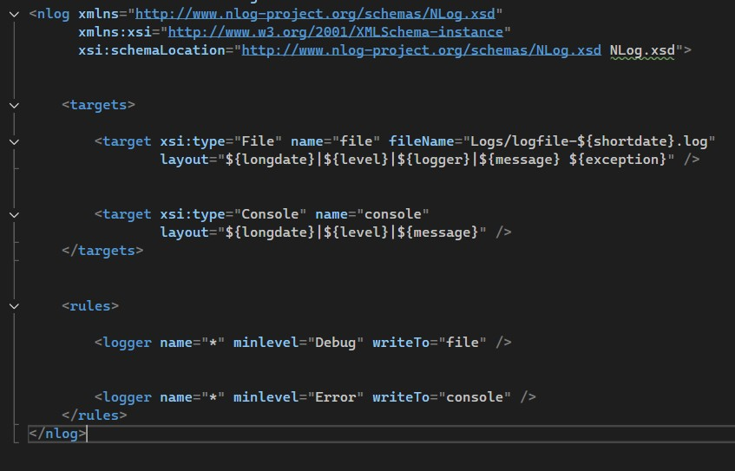

Unit Testing: Added unit test cases for API using xUnit. |  | 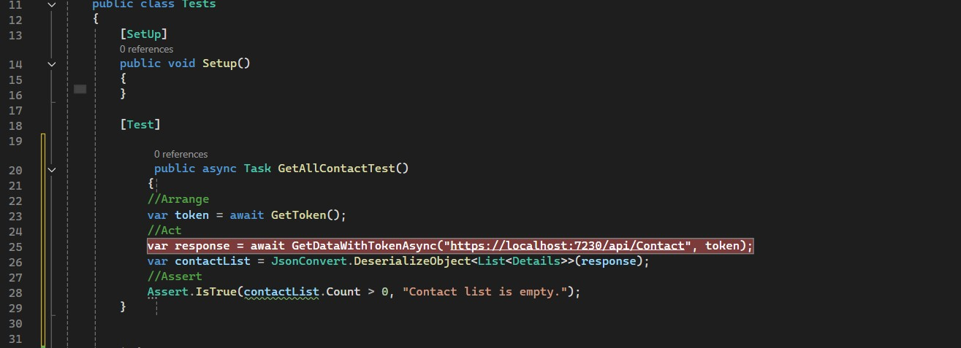

Error Handling: Implemented centralized error handling with custom exception filters.

Prerequisites

Ensure you have the following installed:

Node.js (v18+)

Angular CLI (v18+)

.NET SDK (v6.0+)

SQL Server

Postman or equivalent for API testing

Setup Instructions

Backend (ASP.NET Core API)

Navigate to the API project directory:

cd ContactDetails-Api

Configure the SQL Server connection in appsettings.json.

Apply database migrations:

dotnet ef database update

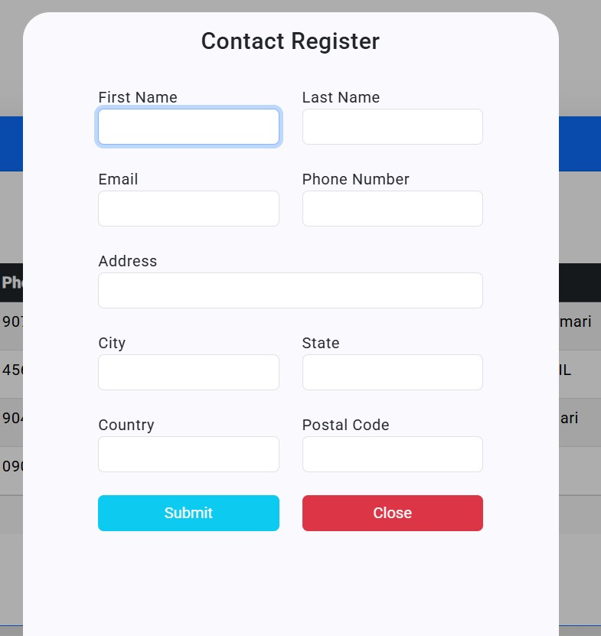
Run the API:

dotnet run

Frontend (Angular Application)
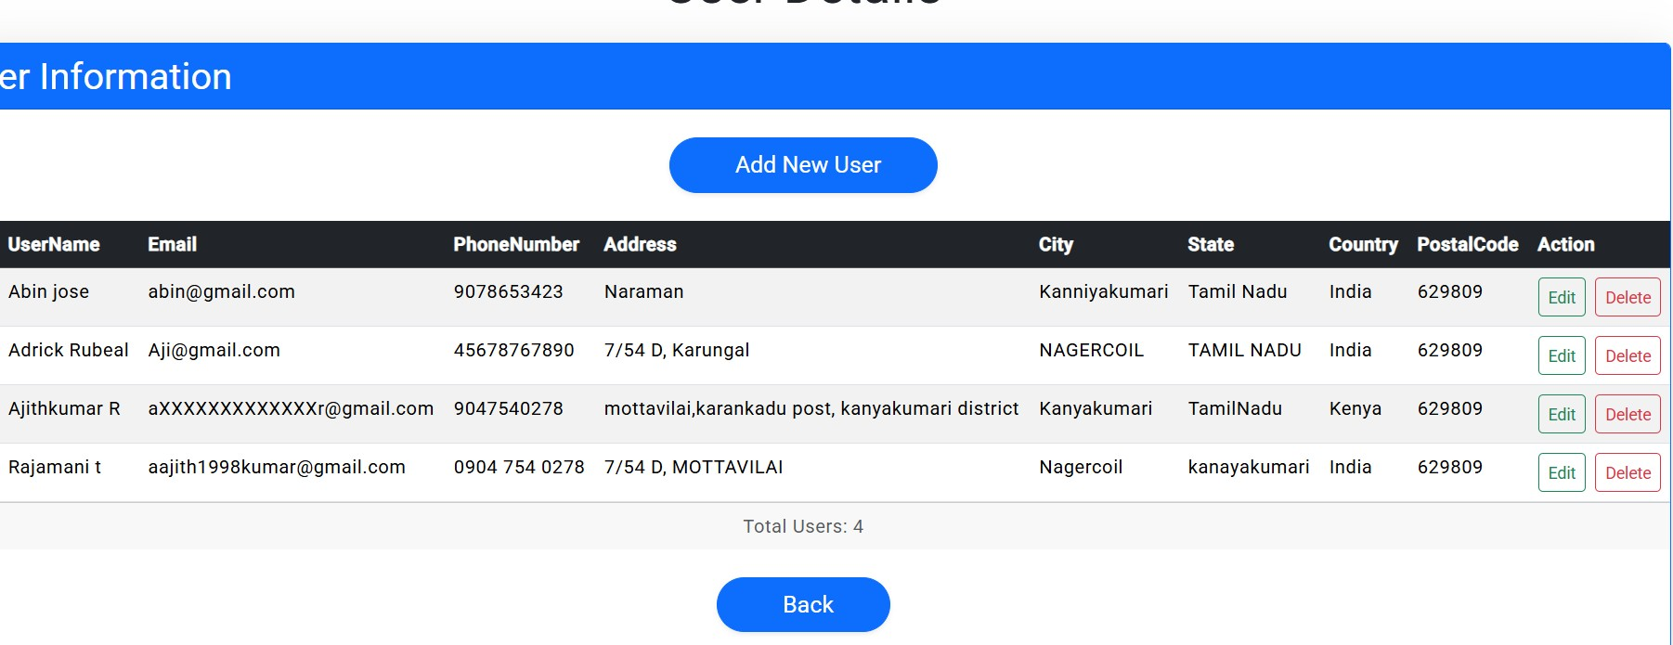
Navigate to the Angular project directory:

cd ContactDetails-UI

Install dependencies:

npm install

Run the application:

ng serve

The application will be accessible at http://localhost:4200.

API Endpoints

Method | Endpoint | Description
GET | /api/contact | Get all contacts
GET | /api/contact/{id} | Get contact by ID
POST | /api/contact | Add a new contact
PUT | /api/contact/{id} | Update existing contact
DELETE | /api/contact/{id} | Delete a contact

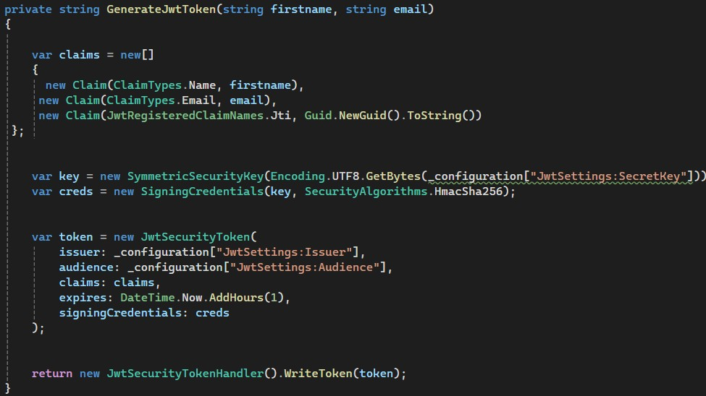
JWT Authentication

Use /api/auth/login to generate a token using valid credentials.

Pass the token in the Authorization header for secured endpoints.

Example:

Authorization: Bearer {token}

Logging

Implemented using NLog for API and UI logging.

Logs are stored in logs/api-log.txt.

Testing

API Unit Tests: Located in the ContactDetails-Api.Tests project.

dotnet test

UI Testing: Can be done using ng test.

Additional Notes

Follow clean code practices using repository and service patterns.

Ensure all environment variables are set correctly for database and JWT configurations.

Conclusion

After completion, submit the GitHub link to your repository as per the instructions provided.

Happy Coding!

